Sheet1
Test Plan Summary
%pass | 95.45
%fail | 4.55
# of tests performed | 22

Test Plan Detail
Test Type | Test Objective | Screen shot | Steps | Test data | Expected result | Pass/Fail?
Unit Test | App componet is created |  | 1. Write test in app.component.spec.ts 2. Run the ng test command | Componet itself | Create the app | Pass
Unit Test | AuthGuard service created |  | 1. Write test in auth.guard.spec.ts 2. Run the ng test command | Componet itself | Create service | Pass
Unit Test | BotService service created |  | 1. Write test in bot.service.spec.ts 2. Run the ng test command | Componet itself | Create service | Pass
Unit Test | AuthService service created |  | 1. Write test in auth.service.spec.ts 2. Run the ng test command | Componet itself | Create service | Pass
Unit Test | Dashboard component created |  | 1. Write test in dashboard.component.spec.ts 2. Run the ng test command | Componet itself | Create dashboard page | Pass
Unit Test | Home component created |  | 1. Write test in home.component.spec.ts 2. Run the ng test command | Componet itself | Create home page | Pass
Unit Test | Login component created |  | 1. Write test in login.component.spec.ts 2. Run the ng test command | Componet itself | Create login page | Pass
Unit Test | Logout component created |  | 1. Write test in logout.component.spec.ts 2. Run the ng test command | Componet itself | Create logout function | Pass
Unit Test | Register component created |  | 1. Write test in register.component.spec.ts 2. Run the ng test command | Componet itself | Create register page | Pass
Unit Test | UserService servuce created |  | 1. Write test in user.service.spec.ts 2. Run the ng test command | Componet itself | Create service | Pass
Security Test | Registration outside the constraints | 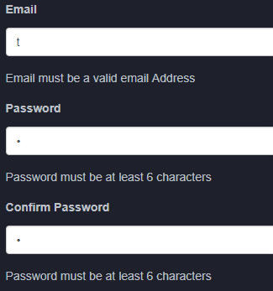 | 1. Enter email 2. Enter password | Input email and password | Fail to register | Pass
Security Test | Register successful to the application |  | 1. Open postman, enter the URL and the email and password in the body 2. Write the test. 3. Send the request to the backend | email= test@test.com password= test123 | User register to the database | Pass
Security Test | Login successful to the application |  | 1. Open postman, enter the URL and the email and password in the body 2. Write the test. 3. Send the request to the backend | email= test@test.com password= test123 | User login into their account | Pass
Security Test | Get user data | 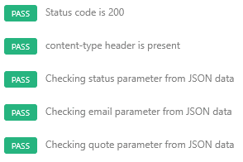 | 1. Open postman, enter the URL 2. Write the test. 3. Send the request to the backend | GET request | Displays the user information to the user | Pass
Security Test | Update user quote |  | 1. Open postman, enter the URL and the value=quote in the body 2. Write the test. 3. Send the request to the backend | value=Hello | User successful updates their quote | Pass
Security Test | User is logged in |  | 1. Open postman, enter the URL 2. Write the test. 3. Send the request to the backend | GET request | User is logged in | Pass
Security Test | Users logout |  | 1. Open postman, enter the URL 2. Write the test. 3. Send the request to the backend | GET request | User successful logout and session is destroyed | Pass
Security Test | Uses user location to get their city name |  | 1. Open postman, enter the URL and the latitude and longitude in the body 2. Write the test. 3. Send the request to the backend | latitude= 53.3389312 00000005 longitude= -6.2734336 | Displays the user city | Pass
Security Test | Get a conversation ID from the bot |  | 1. Open postman, enter the URL 2. Write the test. 3. Send the request to the backend | type = message from = id:user1 text = hello | Get conversation ID from the microsoft bot | Pass
Security Test | Send a message to bot and get an id back |  | 1. Open postman, enter the URL 2. Write the test. 3. Send the request to the backend | convId = HQu7yYf9DrIGDdJI0LPQvW-9 message = hello | Send a message to the bot, bot replies with an ID | Pass
Security Test | Receive a message from the bot and watermark |  | 1. Open postman, enter the URL 2. Write the test. 3. Send the request to the backend | GET request | Receive message from bot and watermark. Display the message to the user | Pass
Scalability Test | Test azure scalability |  | Enable autoscale on azure | Azure web application | Azure scalability response well at high and low demand | Fail
Code Coverage

